Script
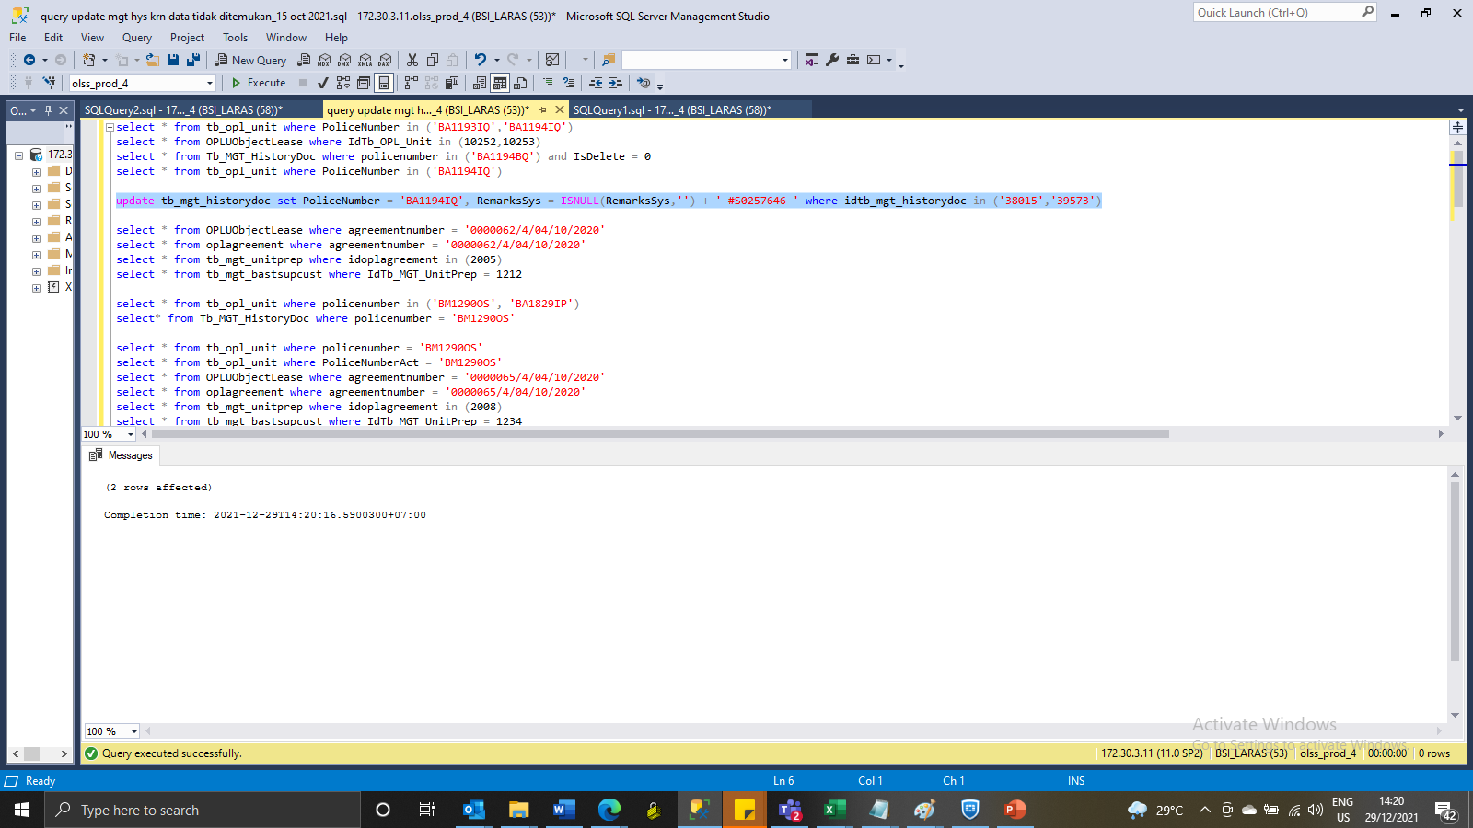
update tb_mgt_historydoc set PoliceNumber = 'BA1194IQ', RemarksSys = ISNULL(RemarksSys,'') + ' #S0257646 ' where idtb_mgt_historydoc in ('38015','39573')

SS
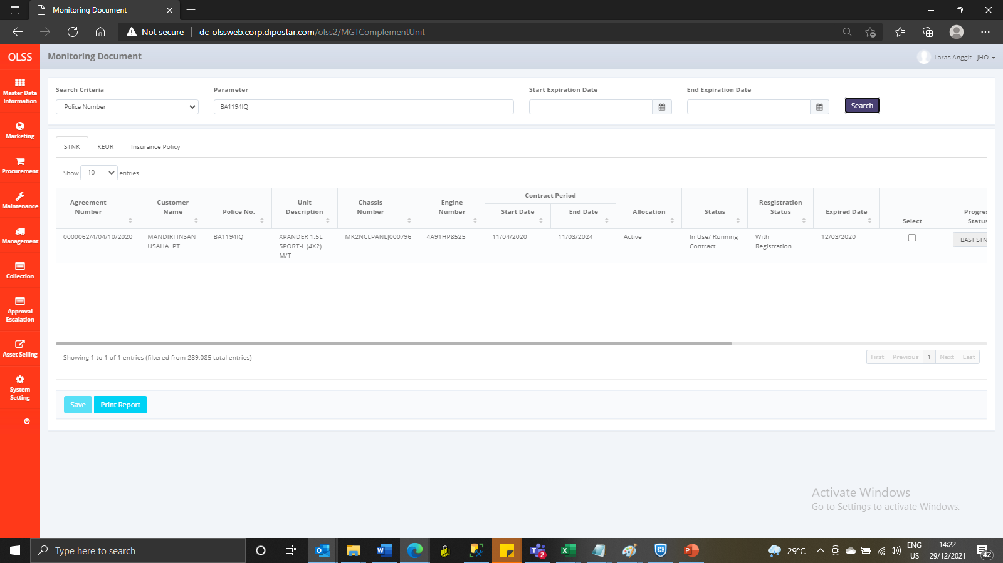
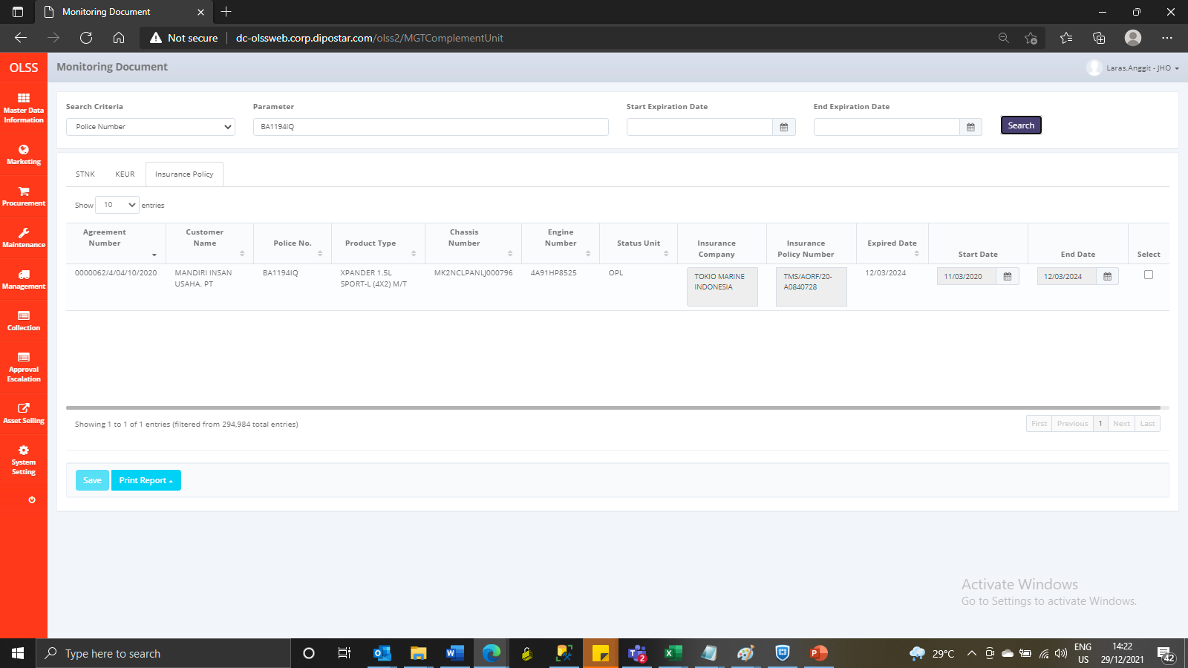
Before
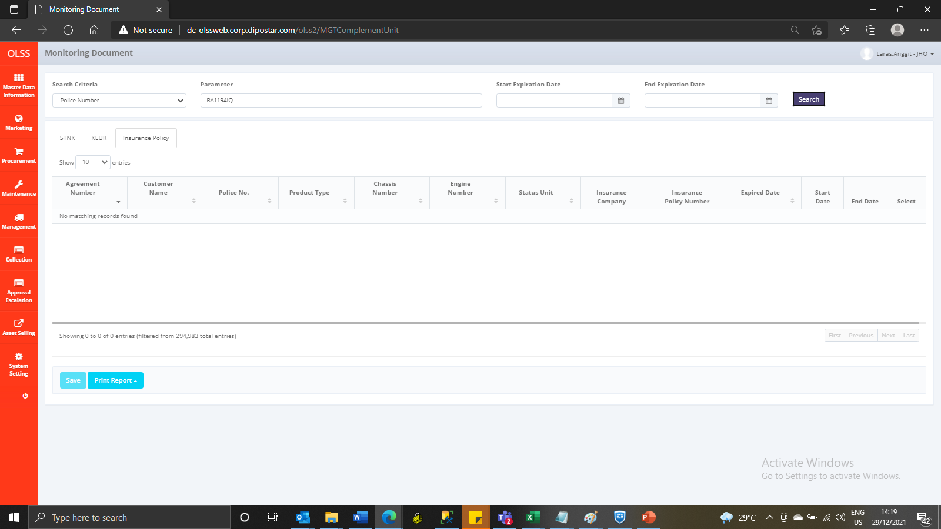


After

